Under Armour
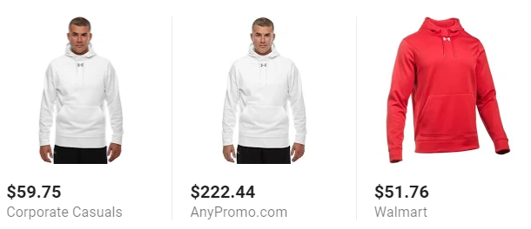
Style Num | Color | YS | YM | YL | YXL | XS | S | M | L | XL | XXL | 3XL | OS | Total | MSRP | Ext SRP
UA1227680 UA Chaos Jersey | navy/white | 29 | 20 | 13 | 17 | 0 | 59 | 29 | 15 | 5 | 0 | 0 | 0 | 187 | 29.99 | $5,608.13
UA1227680 UA Chaos Jersey | white/white | 9 | 18 | 22 | 5 | 0 | 57 | 22 | 10 | 4 | 1 | 0 | 0 | 148 | 29.99 | $4,438.52
UA1227681 UA Chaos Short | navy | 12 | 5 | 21 | 13 | 0 | 39 | 6 | 2 | 2 | 1 | 0 | 0 | 101 | 22.99 | $2,321.99
UA1233672 Under Armour Locker Tee | black | 0 | 0 | 0 | 0 | 0 | 3 | 0 | 0 | 0 | 0 | 0 | 0 | 3 | 22.99 | $68.97
UA1238913 UA Campus Jacket | black/white | 0 | 0 | 0 | 0 | 0 | 7 | 13 | 5 | 9 | 0 | 0 | 0 | 34 | 64.99 | $2,209.66
UA1238915 Campus Pant | black/white | 0 | 0 | 0 | 0 | 0 | 19 | 15 | 1 | 0 | 0 | 0 | 0 | 35 | 59.99 | $2,099.65
UA1246240 UA Rival Polo | white | 0 | 0 | 0 | 0 | 0 | 1 | 0 | 0 | 1 | 0 | 0 | 0 | 2 | 39.99 | $79.98
UA1246241 Team Rival Hoody | black | 0 | 25 | 85 | 0 | 0 | 0 | 0 | 4 | 8 | 0 | 0 | 0 | 122 | 44.99 | $5,488.78
UA1246241 Team Rival Hoody | heather | 0 | 34 | 58 | 0 | 0 | 2 | 0 | 0 | 0 | 1 | 4 | 0 | 99 | 44.99 | $4,454.01
UA1259080 UA Storm Armour Fleece Hoody | carbon | 0 | 0 | 0 | 0 | 0 | 16 | 14 | 0 | 0 | 0 | 0 | 0 | 30 | 54.99 | $1,649.70
UA1248867 UA Trance Sackpack | black/black | 0 | 0 | 0 | 0 | 0 | 0 | 0 | 0 | 0 | 0 | 0 | 7 | 7 | 34.99 | $244.93
UAU448 UA Soccer Over-The-Calf | Midnight Navy | 0 | 0 | 66 | 0 | 0 | 0 | 0 | 27 | 4 | 0 | 0 | 0 | 97 | 8.99 | $872.03
UA1233719 Women's Locker SS Tee | white | 0 | 0 | 0 | 0 | 0 | 0 | 19 | 16 | 6 | 1 | 0 | 0 | 42 | 22.99 | $965.58
UA1239019 Women's UA Campus Pant | black/white | 0 | 0 | 0 | 0 | 0 | 0 | 4 | 2 | 0 | 1 | 0 | 0 | 7 | 59.99 | $419.93
UA1247763 Women's Team Rival Hoodie | black/white | 0 | 0 | 0 | 0 | 1 | 0 | 0 | 0 | 0 | 0 | 0 | 0 | 1 | 44.99 | $44.99
UA1247763 Women's Team Rival Hoodie | heather/blk | 0 | 0 | 0 | 0 | 0 | 20 | 0 | 0 | 0 | 0 | 0 | 0 | 20 | 44.99 | $899.80
UA1247764 Women's Rival Fleece Pant | black | 0 | 0 | 0 | 0 | 0 | 14 | 93 | 30 | 1 | 0 | 0 | 0 | 138 | 44.99 | $6,208.62
UA1247764 Women's Rival Fleece Pant | heather | 0 | 0 | 0 | 0 | 0 | 9 | 0 | 0 | 0 | 0 | 0 | 0 | 9 | 44.99 | $404.91
UA1247777 UA Womens Twisted Tech 1/4 Zip | black/white | 0 | 0 | 0 | 0 | 0 | 0 | 0 | 2 | 0 | 0 | 0 | 0 | 2 | 44.99 | $89.98
UA1270500 UA Women's Hotshot 1/2 Zip | black/heather | 0 | 0 | 0 | 0 | 0 | 6 | 4 | 4 | 0 | 0 | 0 | 0 | 14 | 59.99 | $839.86
 |  | 50 | 102 | 265 | 35 | 1 | 252 | 219 | 118 | 40 | 5 | 4 | 7 | 1098 |  | $39,410.02
 |  | 4.6% | 9.3% | 24.1% | 3.2% | 0.1% | 23.0% | 19.9% | 10.7% | 3.6% | 0.5% | 0.4% | 0.6%

